Quotation
SUNON TECHNOLOGY CO.,LTD.
Building 6, Sunon Technological Innovation Park, 1666 Zhixing Road, Xiaoshan District, Hangzhou City, Zhejiang Province, China

Project: 1 |  |  |  |  |  |  |  |  | REF:
To: 1 |  |  |  |  |  |  |  |  | DATE:
 |  |  |  |  |  |  |  |  | PAGE:
No. | Item Name | Photo | Description | Dimension | Color | Q'ty | Vol. | Tot.Vol. | Unit Price | Tot.Price | Remark
- SALA DE JUNTAS ELITE |  |  |  |  |  |  |  | - SALA DE JUNTAS ELITE Tot.Price : | $2,277.50
1 | DV73-2.300120 I-Varna II Conference Table | 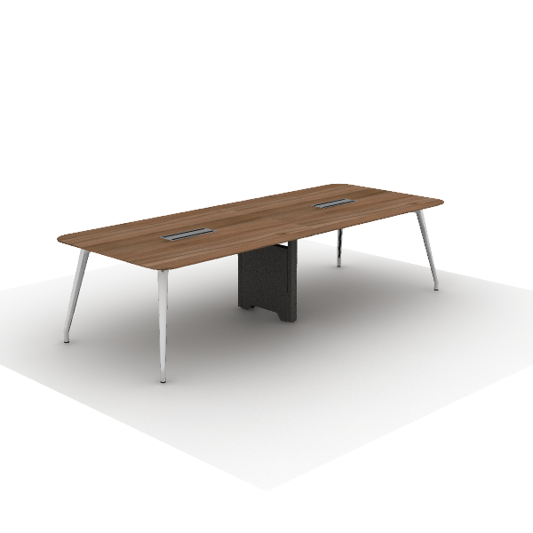 | Material Description: 1)Rectangular conference table 2)Tabletop: 25mm, surface uses impregnated melamine paper for excellent stability, superior layering, strong resistance to dirt and wear; E0 grade particle board 3)Edge banding: the tabletop uses ABS laser edge banding strips, thickness 2.5mm 4)Middle Steel Legs: high-quality cold-rolled steel, 1.5~2.0mm, surface electrostatic powder coating. 5)Table Legs: 45-degree aluminum alloy die-casting angled legs, with polished or electrostatic powder coating surface 6)Cable Box: dual-flip cover, made of aluminum alloy | 3,000*1,200*750 mm |  | 1 | 0.33 m³ | 0.33 m³ | $596.50 | $596.50
2 | CHT85SW H2 Task Chair | 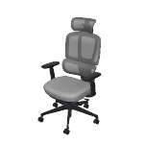 | Material Description: 1)Finishing: backrest uses mesh, dry rubbing fastness ≥4, abrasion resistance ≥6000 cycles; seat cushion uses high-quality linen velvet, dry rubbing fastness ≥4, abrasion resistance ≥12000 cycles 2)Chair Back: nylon + 30% fiberglass integrated back frame 3)Seat Cushion: molded foam, density ≥ 55kg/m3, cut foam, density 25kg/m3±1.5, PP seat shell, weight capacity 136kg 4)Armrests: 4D, PU armrests 5)Chair Bases: Zhongtai mechanism 6)Gas Cylinder:SAMHONGSA class 3 gas cylinder,Stroke:98±3mm 7)5-Star Bases: 700mm diameter nylon 5-star base 8)Chair Casters: Silent PU casters Function Description: 1)Headrest Adjustment: vertical adjustment 53mm, upper end rotation 135°, lower end rotation 110° 2)Chair Back Adjustment: lower back forward/backward adjustment by 56mm, with 10-level continuous adjustment locking 3)4D Armrests: armrests adjustable vertically by 83mm, rotatable left and right by 30°, forward and sliding backward by 40mm, width adjustable by 15mm 4)Chair Base Adjustment: STG backrest synchronous tilt, four-position lock, automatic counterweight mechanism does not require adjustment of tilt force, seat cushion can slide forward and backward | 705*650*1,165 mm | Chair back color: CW-HY10B Black Seat color: SM-PC27B Dark gray | 10 | 0.19 m³ | 1.90 m³ | $154.50 | $1,545.00
3 | DG65-2.200085 Storage Cabinets | 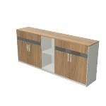 | Material Description: 1)Four-door file cabinet with glass doors and open cabinet 2)Cabinet: the main body surface covered with impregnated melamine paper. E0 grade particleboard 3)Door Panel: glass panel door with embedded glass, made of E0 grade particle board, 5mm tempered glass 4)Edge Banding: the cabinet uses PVC edge banding strips, thickness 1mm 5)Hinges: damping buffer hinge 6)Handles: ABS | 2,000*400*858 mm | Main Color: S-43 Cass Walnut* Secondary color: S-59 Meteor Grey | 1 | 0.25 m³ | 0.25 m³ | $136.00 | $136.00
- SALA DE JUNTAS EJECUTIVA |  |  |  |  |  |  |  | - SALA DE JUNTAS EJECUTIVA Tot.Price : | $2,006.00
4 | CHT85SW H2 Task Chair |  | Material Description: 1)Finishing: backrest uses mesh, dry rubbing fastness ≥4, abrasion resistance ≥6000 cycles; seat cushion uses high-quality linen velvet, dry rubbing fastness ≥4, abrasion resistance ≥12000 cycles 2)Chair Back: nylon + 30% fiberglass integrated back frame 3)Seat Cushion: molded foam, density ≥ 55kg/m3, cut foam, density 25kg/m3±1.5, PP seat shell, weight capacity 136kg 4)Armrests: 4D, PU armrests 5)Chair Bases: Zhongtai mechanism 6)Gas Cylinder:SAMHONGSA class 3 gas cylinder,Stroke:98±3mm 7)5-Star Bases: 700mm diameter nylon 5-star base 8)Chair Casters: Silent PU casters Function Description: 1)Headrest Adjustment: vertical adjustment 53mm, upper end rotation 135°, lower end rotation 110° 2)Chair Back Adjustment: lower back forward/backward adjustment by 56mm, with 10-level continuous adjustment locking 3)4D Armrests: armrests adjustable vertically by 83mm, rotatable left and right by 30°, forward and sliding backward by 40mm, width adjustable by 15mm 4)Chair Base Adjustment: STG backrest synchronous tilt, four-position lock, automatic counterweight mechanism does not require adjustment of tilt force, seat cushion can slide forward and backward | 705*650*1,165 mm | Chair back color: CW-HY10B Black Seat color: SM-PC27B Dark gray | 6 | 0.19 m³ | 1.14 m³ | $154.50 | $927.00
5 | EN70-2.150150 Varna Occasional Table | 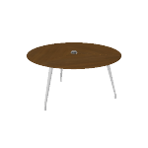 | Material Description: 1)Round negotiation table with round aluminum alloy base 2)Tabletop: 26mm, the majority of the board is made of E0 grade MDF 3)Veneer:natural wood veneer ≥0.4mm on wood grain parts 4)Table Legs: 45° angled aluminum alloy beveled legs, polished surface Function Description: 1)Cable management: tabletop wiring hole for cables | 1,500*1,500*750 mm | Main Color: W-24B Walnut Steel Leg Color: Polishing Cable Box Matched: China | 1 | 0.21 m³ | 0.21 m³ | $673.00 | $673.00
6 | E904-2.200040 File Cabinet | 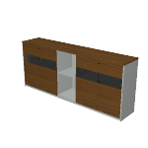 | Material Description: 1)Four-door file cabinet with display area (shelves) 2)Cabinet: E0 grade MDF/particle board, natural wood veneer edge banding 3)Veneer:natural wood veneer ≥0.4mm on wood grain parts 4)Hinges: concealed hinge 5)Lock: double-door lock | 2,003*400*845 mm | Main Color: W-24B Walnut Auxiliar Color: E-11 Black | 1 | 0.20 m³ | 0.20 m³ | $406.00 | $406.00
- SALA INTERNACINAL |  |  |  |  |  |  |  | - SALA INTERNACINAL Tot.Price : | $5,449.00
7 | CHT85SW H2 Task Chair |  | Material Description: 1)Finishing: backrest uses mesh, dry rubbing fastness ≥4, abrasion resistance ≥6000 cycles; seat cushion uses high-quality linen velvet, dry rubbing fastness ≥4, abrasion resistance ≥12000 cycles 2)Chair Back: nylon + 30% fiberglass integrated back frame 3)Seat Cushion: molded foam, density ≥ 55kg/m3, cut foam, density 25kg/m3±1.5, PP seat shell, weight capacity 136kg 4)Armrests: 4D, PU armrests 5)Chair Bases: Zhongtai mechanism 6)Gas Cylinder:SAMHONGSA class 3 gas cylinder,Stroke:98±3mm 7)5-Star Bases: 700mm diameter nylon 5-star base 8)Chair Casters: Silent PU casters Function Description: 1)Headrest Adjustment: vertical adjustment 53mm, upper end rotation 135°, lower end rotation 110° 2)Chair Back Adjustment: lower back forward/backward adjustment by 56mm, with 10-level continuous adjustment locking 3)4D Armrests: armrests adjustable vertically by 83mm, rotatable left and right by 30°, forward and sliding backward by 40mm, width adjustable by 15mm 4)Chair Base Adjustment: STG backrest synchronous tilt, four-position lock, automatic counterweight mechanism does not require adjustment of tilt force, seat cushion can slide forward and backward | 705*650*1,165 mm | Chair back color: CW-HY10B Black Seat color: SM-PC27B Dark gray | 20 | 0.19 m³ | 3.80 m³ | $154.50 | $3,090.00
8 | EN79-2.600180 Varna Conference Table | 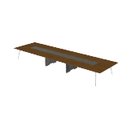 | Material Description: 1)Long meeting table with round aluminum base 2)Tabletop: 26mm, the majority of the board is made of E0 grade MDF 3)Veneer:natural wood veneer ≥0.4mm on wood grain parts 4)Table Legs: 45° angled aluminum alloy beveled legs, polished surface | 6,000*1,800*750 mm | Main Color: W-24B Walnut Steel Leg Color: Polishing | 1 | 0.81 m³ | 0.81 m³ | $1,953.00 | $1,953.00
9 | E904-2.200040 File Cabinet |  | Material Description: 1)Four-door file cabinet with display area (shelves) 2)Cabinet: E0 grade MDF/particle board, natural wood veneer edge banding 3)Veneer:natural wood veneer ≥0.4mm on wood grain parts 4)Hinges: concealed hinge 5)Lock: double-door lock | 2,003*400*845 mm | Main Color: W-24B Walnut Auxiliar Color: E-11 Black | 1 | 0.20 m³ | 0.20 m³ | $406.00 | $406.00
- TT PHONEBOOTHS |  |  |  |  |  |  |  | - TT PHONEBOOTHS Tot.Price : | $2,893.50
10 | CHT65SW H2 Task Chair | 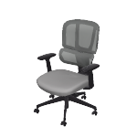 | Material Description: 1)Finishing: backrest uses mesh, dry rubbing fastness ≥4, abrasion resistance ≥6000 cycles; seat cushion uses high-quality linen velvet, dry rubbing fastness ≥4, abrasion resistance ≥12000 cycles 2)Chair Back: nylon + 30% fiberglass integrated back frame 3)Seat Cushion: molded foam, density ≥ 55kg/m3, cut foam, density 25kg/m3±1.5, E1 grade bentwood board, weight capacity 136kg 4)Armrests: 2D, PU armrests 5)Chair Bases: Zhongtai mechanism 6)Gas Cylinder:SAMHONGSA class 3 gas cylinder,Stroke:98±3mm 7)5-Star Bases: 700mm diameter nylon 5-star base 8)Chair Casters: Silent PU casters Function Description: 1)Chair Back Adjustment: lower back forward/backward adjustment by 56mm, with 10-level continuous adjustment locking 2)2D Armrests: armrests adjustable vertically by 83mm, forward and backward sliding by 40mm 3)Chair Base Adjustment: STG backrest synchronous tilt, four-position lock, automatic counterweight mechanism does not require adjustment of tilt force | 700*675*1,000 mm | Chair back color: CW-HY10B Black Seat color: SM-PC27B Dark gray | 6 | 0.19 m³ | 1.14 m³ | $121.50 | $729.00
11 | DZZ64-3.150060 Up1 III Benching | 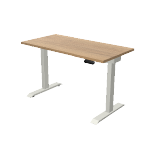 | Material Description: 1)Tabletop: 25mm, surface uses impregnated melamine paper for excellent stability, superior layering, strong resistance to dirt and wear; E0 grade particle board 2)Edge banding: the tabletop uses PVC edge banding strips, thickness 2.5mm 3)Two-section height-adjustable single desk | 1,500*600*725 mm | Main Color: S-57 Warm White Leg Color: Meteor Grey | 6 | 0.14 m³ | 0.84 m³ | $296.00 | $1,776.00
12 | DCP25.048024 Mobile Storage Cabinet | 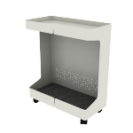 | Material Description: 1)Cabinet: 1mm SPCC cold-rolled steel, electrostatic powder coating 2)Padding Board: 3mm polyester fiberboard 3)Casters: threaded stem wheels, nylon | 240*570*480 mm |  | 7 |  | 0.00 m³ | $55.50 | $388.50
- COWORK |  |  |  |  |  |  |  | - COWORK Tot.Price : | $15,936.50
13 | SY60R.1B.MR S11 Lounge Modular | 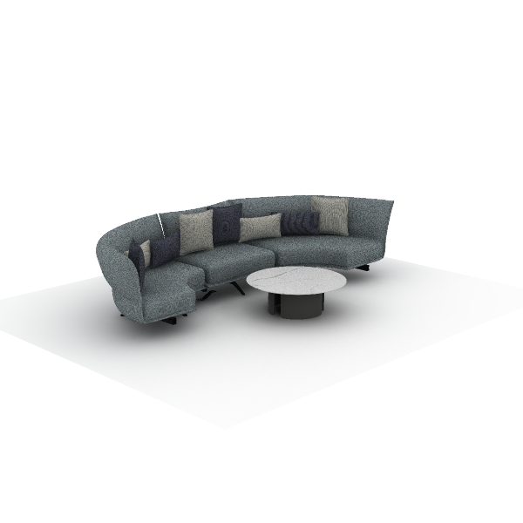 | Material Description: 1)Finishing: three-proof fabric, dry rubbing color fastness grade 3-4, wet rubbing color fastness ≥ grade 3, abrasion resistance ≥ 12000 cycles, water repellency ≥ grade 3, oil repellency ≥ grade 4, stain resistance ≥ grade 4 2)Foam: high resilience foam, seat density ≥30kg/m3, other parts ≥20kg/m3 3)Upholstery Filling: seat cushion, high-quality duck down + 6D polyester fabric, soft and comfortable 4)Upholstery Filling: backrest, high-quality duck down + 6D polyester fabric, soft and comfortable 5)Sofa Legs: steel + square tube, electrostatic powder coating surface, leg thickness 10mm, tube thickness 2.0mm | 3,750*1,250*840mm |  | 1 | 2.61 m³ | 2.61 m³ | $1,509.00 | $1,509.00
14 | mesa especial lido | 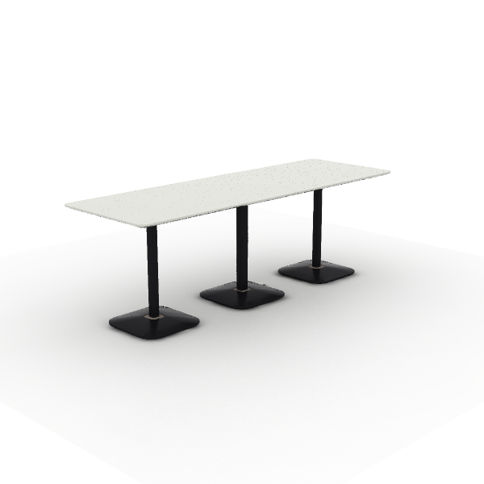 | Material Description: 1)Tabletop: 25mm multilayer board, HPL on both sides, R50 rounded corners 2)Table Legs: cafe table base 50x50x1.5mm Q195 steel post with R10 rounded corners; SPHC hot-rolled steel tray; plastic and iron sand counterweights covered with cold-rolled steel,electrostatic powder coating | 2,250*750*750mm |  | 2 | 0.22 m³ | 0.44 m³ | $415.00 | $830.00
15 | ST91.NA.MR4 | 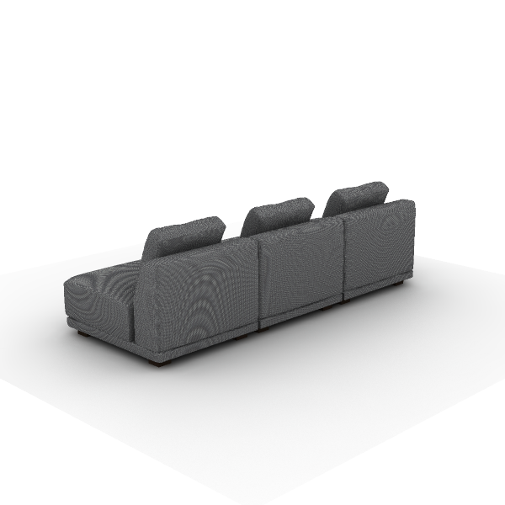 | Material Description: 1)Finishing: linen fabric, dry rubbing color fastness grade 3-4, wet rubbing color fastness ≥ grade 3, abrasion resistance ≥ 12,000 times 2)Foam: high resilience foam, seat density ≥30kg/m3, other parts ≥20kg/m3 3)Sofa Legs: polypropylene (PP), injection molded Function Description: 1)Cushion: sofa equipped with cushions | 2,550*1,000*780mm |  | 2 | 1.98 m³ | 3.96 m³ | $685.50 | $1,371.00
16 | SY60R.1B.MR S11 Lounge Modular | 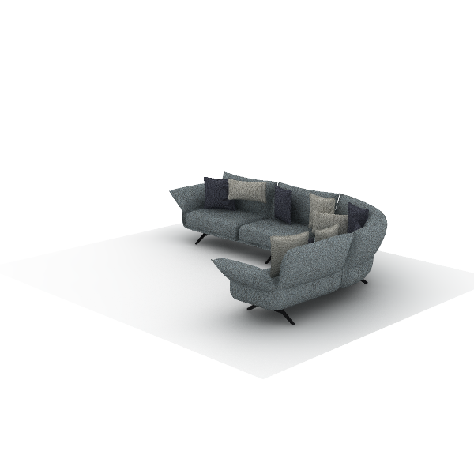 | Material Description: 1)Finishing: three-proof fabric, dry rubbing color fastness grade 3-4, wet rubbing color fastness ≥ grade 3, abrasion resistance ≥ 12000 cycles, water repellency ≥ grade 3, oil repellency ≥ grade 4, stain resistance ≥ grade 4 2)Foam: high resilience foam, seat density ≥30kg/m3, other parts ≥20kg/m3 3)Upholstery Filling: seat cushion, high-quality duck down + 6D polyester fabric, soft and comfortable 4)Upholstery Filling: backrest, high-quality duck down + 6D polyester fabric, soft and comfortable 5)Sofa Legs: steel + square tube, electrostatic powder coating surface, leg thickness 10mm, tube thickness 2.0mm | 3,600*2,500*840mm |  | 1 | 3.03 m³ | 3.03 m³ | $1,525.00 | $1,525.00
17 | SD51.1.MR.LA D10 Lounge Sofas | 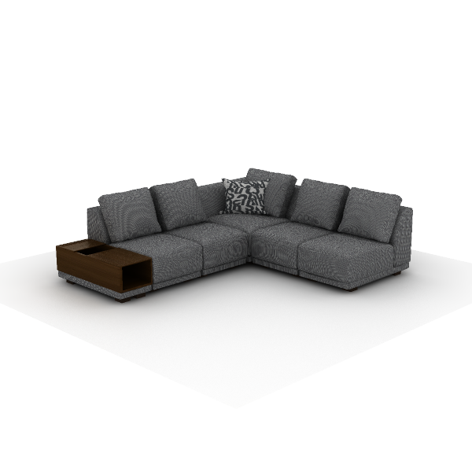 | Material Description: 1)Finishing: linen fabric, dry rubbing color fastness grade 3-4, wet rubbing color fastness ≥ grade 3, abrasion resistance ≥ 12,000 times 2)Foam: high resilience foam, seat density ≥30kg/m3, other parts ≥20kg/m3 3)Sofa Legs: polypropylene (PP), injection molded Function Description: 1)Cushion: sofa equipped with cushions | 2,550*2,150*780mm |  | 2 | 2.85 m³ | 5.71 m³ | $1,232.50 | $2,465.00
18 | DU60.100120GJ Main desk of face-to-face desk | 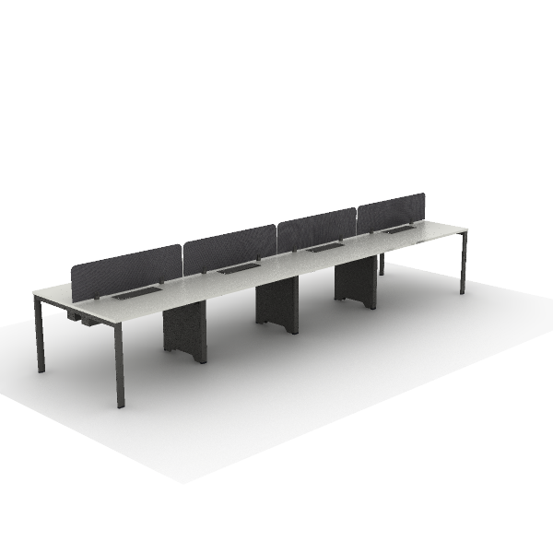 | Material Description: 1)Straight employee desk, steel legs on both sides 2)Tabletop: 25mm, surface uses impregnated melamine paper for excellent stability, superior layering, strong resistance to dirt and wear; E0 grade particle board 3)Edge banding: the tabletop uses PVC edge banding strips, thickness 2.5mm 4)Beam: high-quality cold-rolled steel, with an electrostatic powder coating on the surface, 1.5mm thickness | 4,800*1,200*750mm |  | 1 | 1.72 m³ | 1.72 m³ | $694.00 | $694.00
19 | SD51.1.MR.LA D10 Lounge Sofas | 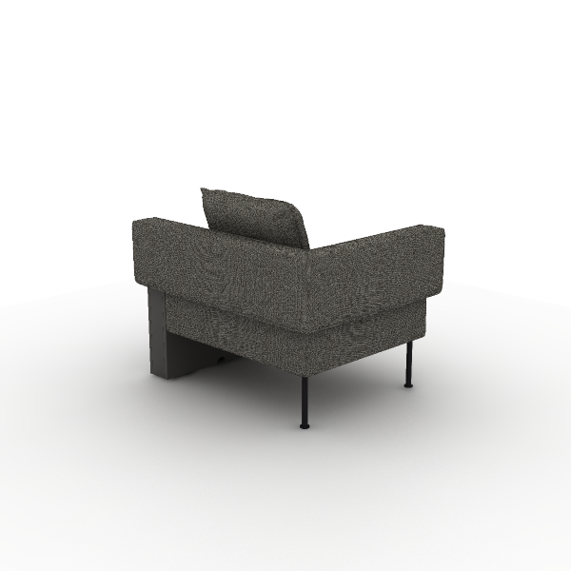 | Material Description: 1)Finishing: linen fabric, dry rubbing color fastness grade 3-4, wet rubbing color fastness ≥ grade 3, abrasion resistance ≥ 12,000 times 2)Foam: high resilience foam, seat density ≥30kg/m3, other parts ≥20kg/m3 3)Sofa Legs: steel Sofa Legs, electrostatic powder coating, 1.8mm hollow round tube 4)Side Table:18mm,E0 grade MDF/particle board Function Description: 1)Wireless Charging: tabletop equipped with concealed wireless phone charging | 1110*840*750 |  | 2 | 0.84 m³ | 1.69 m³ | $380.00 | $760.00
20 | SY65 S11 Connector | 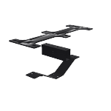 | Material Description: 1)Connector: steel, electrostatic powder coating surface; flat plate thickness 5mm, V-shaped plate 3mm ,thickness, square tube 1.2mm thickness | 450*160*68 mm |  | 3 | 0.01 m³ | 0.02 m³ | $21.00 | $63.00
21 | SD32.1.MR.M Ducky Stool | 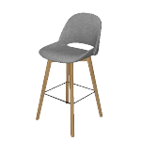 | Material Description: 1)Finishing: linen fabric, dry rubbing color fastness grade 3-4, wet rubbing color fastness ≥ grade 3, abrasion resistance ≥ 12,000 times 2)Foam: molded, density ≥50kg/m3 3)Sofa Legs: natural beech wood Sofa Legs, eco-friendly paint finish | 520*560*1,080 mm | Sofa inner back + seat surface fabric: TM-CI27B Dark Sky Grey Sofa outer back + seat bottom fabric: TM-CI81B Dark Blue | 6 | 0.22 m³ | 1.34 m³ | $155.50 | $933.00
22 | CHT65SW H2 Task Chair |  | Material Description: 1)Finishing: backrest uses mesh, dry rubbing fastness ≥4, abrasion resistance ≥6000 cycles; seat cushion uses high-quality linen velvet, dry rubbing fastness ≥4, abrasion resistance ≥12000 cycles 2)Chair Back: nylon + 30% fiberglass integrated back frame 3)Seat Cushion: molded foam, density ≥ 55kg/m3, cut foam, density 25kg/m3±1.5, E1 grade bentwood board, weight capacity 136kg 4)Armrests: 2D, PU armrests 5)Chair Bases: Zhongtai mechanism 6)Gas Cylinder:SAMHONGSA class 3 gas cylinder,Stroke:98±3mm 7)5-Star Bases: 700mm diameter nylon 5-star base 8)Chair Casters: Silent PU casters Function Description: 1)Chair Back Adjustment: lower back forward/backward adjustment by 56mm, with 10-level continuous adjustment locking 2)2D Armrests: armrests adjustable vertically by 83mm, forward and backward sliding by 40mm 3)Chair Base Adjustment: STG backrest synchronous tilt, four-position lock, automatic counterweight mechanism does not require adjustment of tilt force | 700*675*1,000 mm | Chair back color: CW-HY10B Black Seat color: SM-PC27B Dark gray | 8 | 0.19 m³ | 1.52 m³ | $121.50 | $972.00
23 | SF46.1.MR.S Flower 2 II Lounge Chairs | 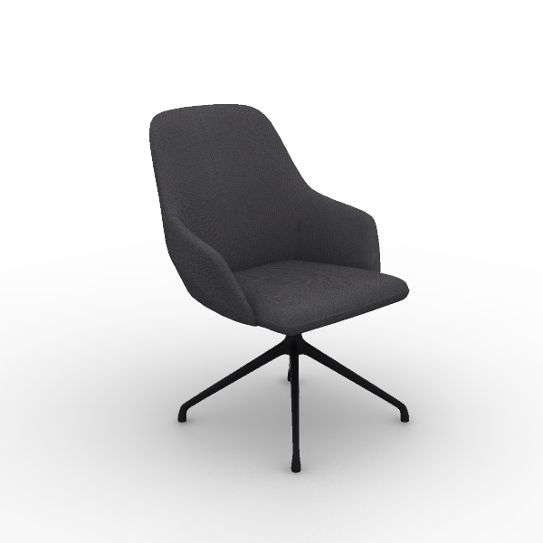 | Material Description: 1)Finishing: linen fabric, dry rubbing color fastness grade 3-4, wet rubbing color fastness ≥ grade 3, abrasion resistance ≥ 12,000 times 2)Foam: backrest uses molded foam, density ≥50kg/m3, resilience ≥35%, with welded steel frame; seat cushion uses high resilience foam, seat density ≥30kg/m3 3)Sofa Legs: aluminum alloy Sofa Legs, electrostatic powder coating 4)Tray: steel tray, electrostatic powder coating, thickness ≥3mm | 650*630*880 mm | Color: TM-CI27B Dark Sky Grey Steel Support Color: Matte black Steel Base: Matte Refined Ink Black | 3 | 0.24 m³ | 0.72 m³ | $191.00 | $573.00
24 | SF46.1.MR.S Flower 2 II Lounge Chairs | 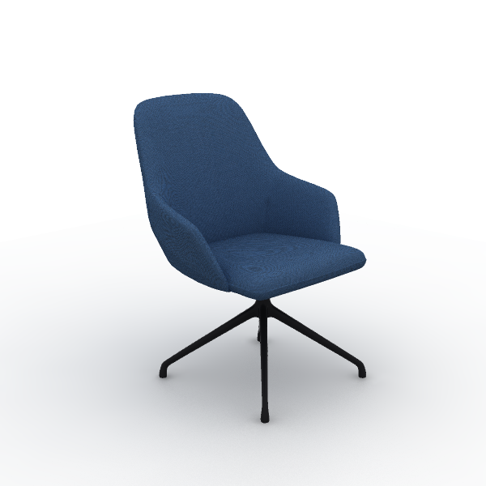 | Material Description: 1)Finishing: linen fabric, dry rubbing color fastness grade 3-4, wet rubbing color fastness ≥ grade 3, abrasion resistance ≥ 12,000 times 2)Foam: backrest uses molded foam, density ≥50kg/m3, resilience ≥35%, with welded steel frame; seat cushion uses high resilience foam, seat density ≥30kg/m3 3)Sofa Legs: aluminum alloy Sofa Legs, electrostatic powder coating 4)Tray: steel tray, electrostatic powder coating, thickness ≥3mm | 650*630*880 mm | Color: TM-CI81B Dark Blue Steel Support Color: Matte black Steel Base: Matte Refined Ink Black | 3 | 0.24 m³ | 0.72 m³ | $191.00 | $573.00
25 | SU35.1.MX U-Relax Lounge Chairs | 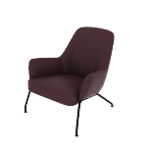 | Material Description: 1)Finishing: combination of leather and fabric , seat cushion and backrest use linen velvet fabric, other parts use polyvinyl chloride (PVC) artificial leather, linen velvet fabric dry rubbing color fastness grade 3-4, wet rubbing color fastness ≥ grade 3, abrasion resistance ≥ 12000 cycles 2)Foam:molded, density ≥50kg/m3, with built-in welded steel frame 3)Foam: high resilience foam, seat density ≥30kg/m3, other parts ≥20kg/m3 4)Sofa Legs: steel Sofa Legs, electrostatic powder coating, 22mm solid round steel | 780*820*850 mm | Color: SM-XF78 Deep Sea Blue Outer Side of the Backrest Color: TG-VA11 Obsidian Black Leg Color: Black | 6 | 0.35 m³ | 2.10 m³ | $223.00 | $1,338.00
26 | DMC27.058040 MixCube Stools | 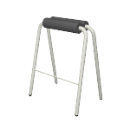 | Material Description: 1)Fixed High stool 2)Seat Cushion：molded foam in PU material 3)Support Frame: Q195 steel, 1.5mm thick, electrostatic powder coating | 580*400*730 mm | Steel Color: Sand Refined Ink Black | 2 | 0.19 m³ | 0.39 m³ | $39.00 | $78.00
27 | EW77.240120 Jason Veneer Bar-height Table | 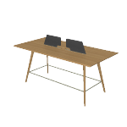 | Material Description: 1)Rectangular Meeting Table with Wooden Base 2)Tabletop: 26mm, the majority of the board is made of E0 grade MDF 3)Veneer:natural wood veneer ≥0.4mm on wood grain parts 4)Table legs: Natural premium white oak, eco-friendly finishing 5)Paint: uses water-based environmentally friendly paint | 2,400*1,200*1,050 mm | Main Color: W-23B White Oak | 1 | 0.31 m³ | 0.31 m³ | $934.00 | $934.00
28 | T229.100100 S11 Occasional | 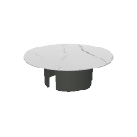 | Material Description: 1)Wooden base round coffee table 2)Tabletop: 28mm, 9mm stone slab on top, E0 grade MDF below 3)Table legs: C-shaped wooden legs, R2mm beveled edges, eco-friendly finishing 4)Paint: uses water-based environmentally friendly paint | 1,000*1,000*328 mm | Slate: T-03曜石黑 | 1 | 0.14 m³ | 0.14 m³ | $229.00 | $229.00
29 | T229.060060 S11 Occasional | 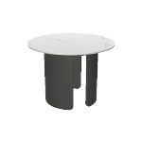 | Material Description: 1)Wooden base round coffee table 2)Tabletop: 28mm, 9mm stone slab on top, E0 grade MDF below 3)Table legs: C-shaped wooden legs, R2mm beveled edges, eco-friendly finishing 4)Paint: uses water-based environmentally friendly paint | 600*600*428 mm | Slate: T-02云母白 | 4 | 0.07 m³ | 0.29 m³ | $143.00 | $572.00
30 | T229.080080 S11 Occasional | 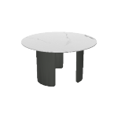 | Material Description: 1)Wooden base round coffee table 2)Tabletop: 28mm, 9mm stone slab on top, E0 grade MDF below 3)Table legs: C-shaped wooden legs, R2mm beveled edges, eco-friendly finishing 4)Paint: uses water-based environmentally friendly paint | 800*800*428 mm | Slate: T-02云母白 | 3 | 0.10 m³ | 0.30 m³ | $172.50 | $517.50
- AREA DE CAFE |  |  |  |  |  |  |  | - AREA DE CAFE Tot.Price : | $790.00
31 | DMA73-2.090090 | 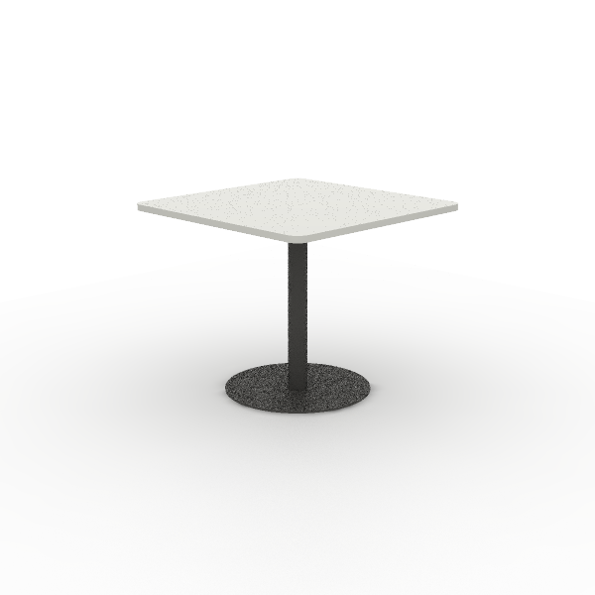 | Material Description: 1)Square negotiation table 2)Tabletop: 25mm, surface uses impregnated melamine paper for excellent stability, superior layering, strong resistance to dirt and wear; E0 grade particle board 3)Edge banding: the tabletop uses PVC edge banding strips, thickness 2.5mm 4)Support Frame: round tube made of Q195 steel, disc made of SPHC, electrostatic powder coating | 900*900*750 mm |  | 4 | 0.04 m³ | 0.14 m³ | $89.00 | $356.00
32 | CMD16GS Model Training Seating | 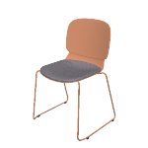 | Material Description: 1)Chair Body: PP integrated, molded 2)Chair Frame: steel frame, 13mm round steel, electrostatic powder coating surface 3)Leg nails: PP fixed nails | 570*520*830 mm | Plastic Color: Warm White | 14 | 0.17 m³ | 2.41 m³ | $31.00 | $434.00
- AREA ADMVA |  |  |  |  |  |  |  | - AREA ADMVA Tot.Price : | $418.00
33 | CLG65SW Locke Task Chair | 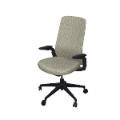 | Material Description: 1)Finishing: high-quality mesh, dry rubbing fastness ≥ 4, abrasion resistance ≥ 12000 cycles 2)Chair Back: nylon integrated back frame 3)Seat Cushion: molded foam, density ≥ 55kg/m3, equipped with E1 grade bentwood board, PP seat shell, weight capacity 136kg 4)Armrests: 4D, PU armrests 5)Chair Bases: Zhongtai mechanism 6)Gas Cylinder: SAMHONGSA class 3 gas cylinder, Stroke:82±3mm 7)5-Star Bases: 700mm diameter nylon 5-star base 8)Chair Casters: PU casters Function Description: 1)Lumbar Support Adjustment: vertical adjustment by 50mm 2)4D Quick Installation Armrests:uses quick installation design, armrests adjustable vertically by 70mm,rotatable left and right by 15°,forward and backward sliding by 30mm,width adjustable by 16mm | 665*585*1,020 mm | Back & Lumbar Support: CW-HD14 Cloudy Gray Seat: CW-HD10 Dark Night Black | 4 | 0.19 m³ | 0.75 m³ | $104.50 | $418.00
 |  |  |  |  |  |  |  | 41.12 m³ | Tot.Price | $29,770.50

NOTE:
1) The alternative products in varying price ranges can be provided due to further requriement
2) Price would be adjusted as changed of specification/finishes
3) Formal purchase order, or signed & stamped proforma invoice are require to be provided before order proceeding
4) Upon order confirmation/delivery, changes, cancellation or return is unacceptable
5) The consignee of this purchase order is allowed to be nominated by the buyer
TERMS & CONDITIONS:
1) Trade Term:
2) Payment: BY ,
3) Delivery time:
4) Storage & Delivery: Sunon will arrange for free storage in their warehouse for max 10days after completion of production & ready for shipment. If client fails to arrange
the pick-up & delivery within this stipulated time frame, then Sunon shall charge an additional warehouse storage fee at the rate of 0.4% per day on all the finished orders
5) If the exchange rate or the price of raw materials fluctuated over 5% since the last quotation offering date, Sunon has the right to adjust the prices accordingly
6) Validity: Before
7) SHIPMENT: 10% MORE OR LESS IN QUANTITY AND AMOUNT ARE ALLOWED
BANK INFORMATION:
1) BANK NAME:
2) BENEFICIARY:
3) BENEFICIARY'S ADDRESS:
4)
5) ACCOUNT NUMBER:
6) BANK ADDRESS:
7) POST CODE:
 |  | For Buyer |  |  |  |  |  |  | For Seller
 |  | Authorized Signature or Seal |  |  |  |  |  |  | Authorized Signature or Seal

